工作表1
 | Bobcat MT100 | Kubota SCL 1000 | Ditch Witch SK900 | Case TL100 | Toro Dingo TX1000 | ATL1000 | SM100
 | 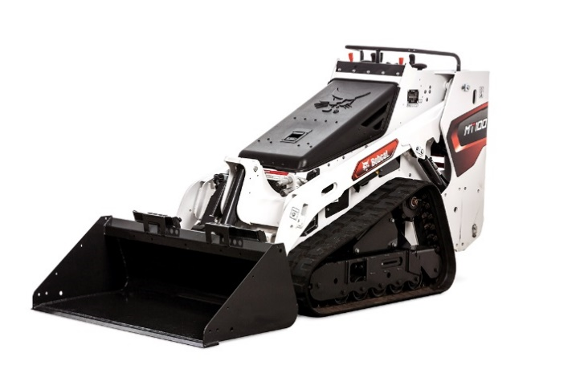 | 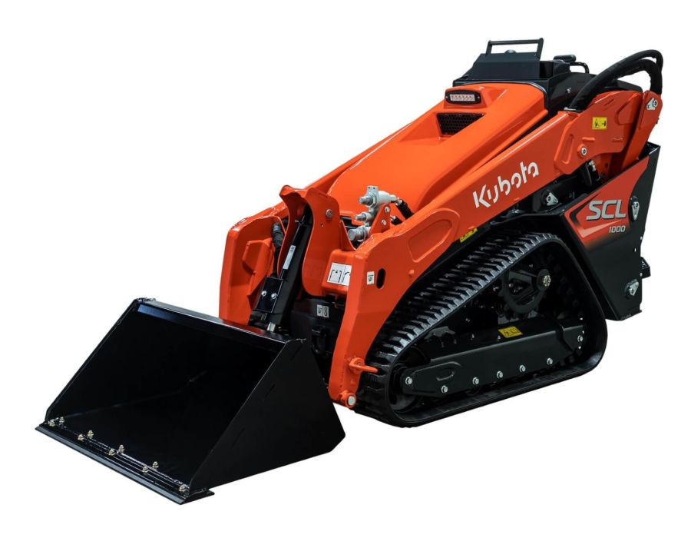 | 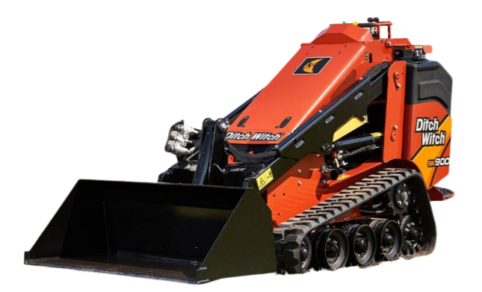 | 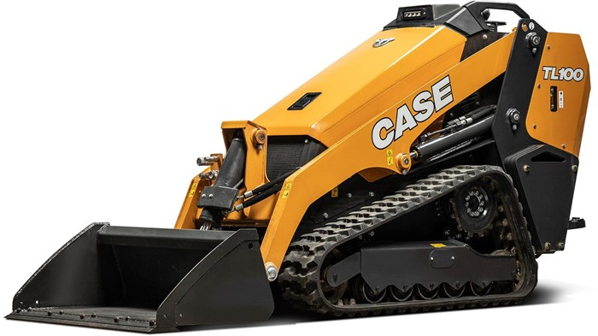 | 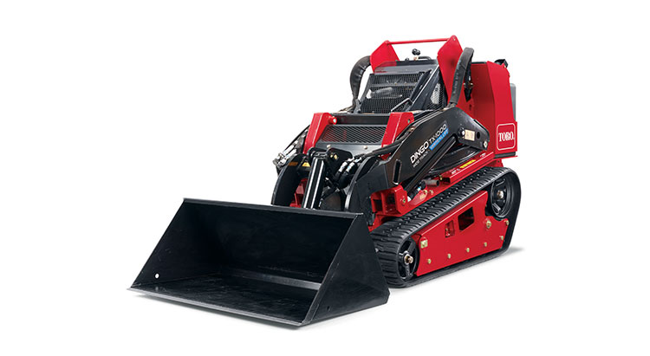 | 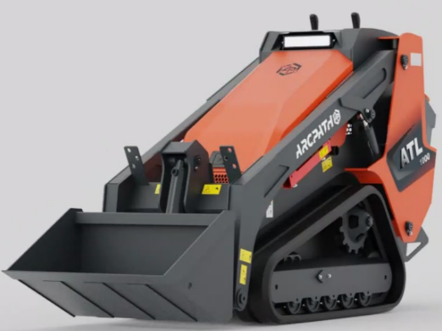 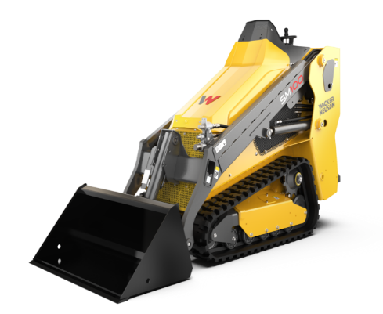
 | Bobcat MT100 | Kubota SCL 1000 | Ditch Witch SK900 | Case TL100 | Toro Dingo TX1000 | 列1 | 列2
Engine
Engine Power | 24.8hp (18.5kw)@3600rpm | 24.8hp (18.5kw)@2800rpm | 24.8 hp(18.5kw)@2600rpm | 24.8 hp (18.5 kW)@2600 rpm | 24.8 hp (18.5 kW)@2600 rpm | (24.4HP)18.2KW@3000RPM | 18.4 KW
Engine type | KUBOTA D902 | KUBOTA D902-T | Yanmar 3TNV80FT | Kubota D1305-E4B | Kubota D1305-E4B | KUBOTA-D1105 | Yanmar 3TNV80 FT
Displacement | 55 in³(0.9L) | 54.8 in³ (0.9L) | 77 in³ (1.27L) | 77 in³ (1.26 L) | 77 in³ (1.26 L) | 1.1L | 1.26L
Auxiliary Flow | 12gal/min (45.42L/min) | 15gal/min(56.8L/min) | 12gpm (45.3L/m) | 13.2 gpm (50 L/min) | 15.2 gpm (57.4 L/min) | 13.5gpm (51L/min) | 49.0 l/min
Performance
Rated Operating Capacity | 1,000 lb(454kg) | 1,000 lb(453kg) | 932lb(422kg) | 992 lb (450 kg) (35 in) / 1,102 lb (500 kg) (40.4 in) | 1,000 lbs (453.5 kg) | 1,000 lbs (453.5 kg) | 453.0 kg
Tipping Load | 2898 lb(1314kg) | 2857 lb(1296kg) | 2665 lb(1208kg) | 2,833 lb (1 285 kg) (35 in)/ 3,148 lb (1 428 kg) (40.4 in) | 2,857 lbs (1,295.9 kg) 3,071 lbs (1,392.9 kg) | 2866 lbs (1300kg) | 1,295.0 kg
Operating Weight | 3390 lb(1537kg) | 3035 lb(1376kg) | 3190lb(1447kg) | 3,536 lb (1604) kg (35 in) / 3783 lbs (1716kg) (40.4 in) | 2,785 lbs (1263.2 kg) | 3086 lb (1400 kg) | 1,497.0 kg
Ground Pressure | 5.2 psi (7 in Tracks)/ 3.9 psi (10 in Tracks) | 4.0 psi | 5.2 psi (7 in Tracks)/ 4.3 psi (9 in Tracks) | 5.9 psi (7 in Tracks)/ 4.6 psi (10 in Tracks) | 5.6/3.6psi | 3.6 psi
Travel Speed | 4.1mph (6.6km/h) | 4.9mph (7.9km/h) | 4 mph (6.4 km/h) | 4.7 mph (7.5km/h) | 4.3mph(6.9km/h) | 7.1 km/h | 8.4 km/h
Fuel Capacity | 7gal ( 26.5 L) | 7.75gal (29.3 L) | 10.5 gal (40 L) | 7.9 gal (30L) | 11.5 gal (44 L) | 9 gal (34L) | 64.0 l
Dimension
Length With Bucket | 106.2 in (2698 mm) | 107.7 in (2740 m) | 105 in (2670mm) | 110.1 in (2796 mm) | 100.7 in (2557mm) | 113.5 in (2885 mm) | 2,742.0 mm
Width(narrow) | 36in (914mm) | 36in (914mm) | N/A | 35.0 in (890 mm) | 34.2 in (868mm) | 36in (914mm) | 902.0 mm
Width(wide) | 41.1 in (104.3mm) | N/A | 42 in (1070mm) | 40.4 in (1026 mm) | 41 in (104.1mm) | N/A
Height | 54.6in(1387mm) | 55.7in(1410mm) | 57 in (1450mm) | 56.5 in (1435 mm) | 53.2 in (1351mm) | 56.9 in (1446 mm) | 1,478.0 mm
Height to bucket Hinge Pin | 80.9in(2056cm) | 84.7in(2150mm) | 83 in (2100mm) | 86.7 in (2201 mm) | 81 in (2057 mm) | 87 in (2212 mm) | 2,176.0 mm
Track length on ground | 40.7 in.(1033 mm) | 40.5in(1030mm) | 43 in (1090mm) | 41.9 in (1065 mm) | N/A | 42.7 in (1085 mm)
Track width | 7 in. (177mm)/ 10 in. (254mm) | 9.8 in (249mm) | 7 in. (177mm)/ 9 in. (230mm) | 7 in. (180mm)/ 10 in. (250mm) | 5.9 in (149mm)/ 9.5 in (240mm) | 9 in (230mm) | 9 in (230mm)
Reach @ Max Height | 20.1 in. (511mm) | 26 in (660mm) | N/A | 20.1 in (511 mm) | N/A | 23 in (584 mm) | 557.0 mm
Ground clearance | 6.7 in. (171mm) | 7.4 in(188mm) | 8.9 in (226mm) | 8.7 in (222 mm) | 6 in (152 mm) | 8.38 in (213 mm)
Price | 58153; have 6700 discount if new customer | 51000CAD+HST |  | 53500（2024） |  | 36799+HST
Warranty |  | 12 Months/1500hrs-promo 24 Months |  | 2-Year/2,000-Hour Full Machine Limited Warranty
 | 3yr/3000hr full warranty extend:1820CAD | Extend: basic warranty-500 CAD/year; Power train warranty:1500CAD/year |  | 5yr/3000hr Premier warranty :2900 CAD
 |  | basic:everything on machine aside from wear and tear parts,things such as tracks; Power train: Engine, drive system

Additional information
WARRANTY | 1 year warranty with unlimited hours | 1 year warranty with or 1500 hrs | 1 year or 1000 hours | 2-Year/2,000-Hour Full Machine Limited Warranty | 1 year or 1000 hours

